Sheet1
 |  |  |  |  |  |  |  |  |  | AGM Standby Use Battery > NM Series

 | NM12-120

 |  |  |  | 12V120Ah / 10hr rate

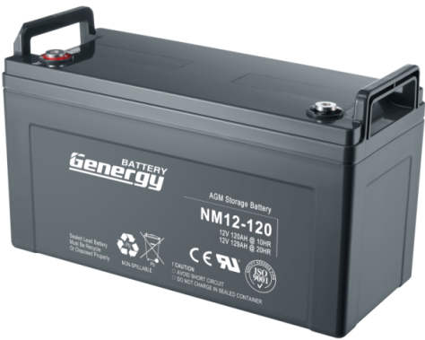
Introduction |  |  |  |  |  |  |  | Battery Picture & Terminal Layout
Genergy NM (33Ah-250Ah) series is designed for standby use with 10-year design life in float service. The series battery is featured of high consistency, excellent performance and reliable standby service life. It is widely applied in float service, UPS/EPS, medical equipment, telecom, photovoltaic, control system and security system.

Battery Features
○ Absorbent Glass Mat (AGM) Technology for efficient gas recombination of up to 99% maintenance free and fixed orifice plate pasting technology ○ Low self-discharge ○ Fully tank formed plates ○ Low impurity electrolyte ○ Flame retardant ABS casing with UL94-V0 is available upon request. ○ Very high purity lead
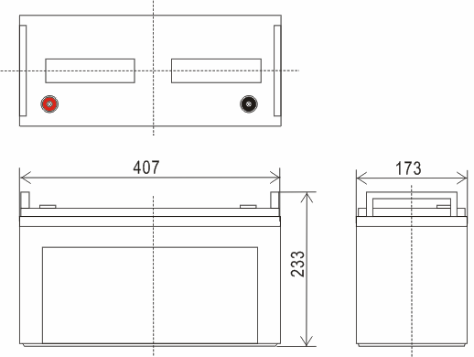

 |  |  |  |  |  |  |  |  |  |  |  |  |  |  | Terminal Type: T13

Electrical Specification
Design floating Life @ 25°C (77°F) |  |  |  | …………………… |  | 10 years
Nominal Capacity @ 25°C /77°F
20 hour rate |  | 6.24A to 1.75Vpc |  | …………………… |  | 124.8 Ah
10 hour rate |  | 12.17A to 1.75Vpc |  | …………………… |  | 121.7Ah
Internal Resistance
(Fully charged battery @ 25°C /77°F ) …………. |  |  |  |  |  | 5mΩ |  | Dimension & Weight
Max. Discharge Current @ 25°C /77°F ………….. |  |  |  |  |  | 1200 A (5S) |  | Dimension (± 2mm) |  |  |  |  |  |  |  | Weight (± 2%)
Charge Methods: Constant voltage charge @ 25°C /77°F |  |  |  |  |  |  |  | Length |  | Width |  | Height |  | Total Height
Cycle Use ……………………………………… |  |  |  |  |  | 14.7 ~ 14.9V |  | 407 | mm | 173 | mm | 233 | mm | 233 | mm | 34.6 | kg
Max. Current ………………………………….. |  |  |  |  |  | 35 A |  | 16.0 | inch | 6.8 | inch | 9.2 | inch | 9.2 | inch | 76.3 | lbs
Standby Use ………………………………….. |  |  |  |  |  | 13.6 - 13.8V
Operating Temperature Range …………………… |  |  |  |  |  | -30 ~ 50°C |  | Typical Applications
Notes: battery voltage must be adjusted according to temperature. |  |  |  |  |  |  |  | ○ Telecommunications |  |  | ○ Power Utility |  | ○ Data Center |  | ○ UPS & EPS
Please refer to our recommendation.
Self-Discharge |  |  |  |  |  |  |  | Certificates
 |  |  |  |  |  | 3% of capacity declined per month @ 25°C (77°F).

Constant Current Discharge (Amperes @ 25°C /77°F)
V/cell | 10min | 15min | 20min | 25min | 30min | 35min | 40min | 45min | 50min | 55min | 1hr | 2hr | 3hr | 4hr | 5hr | 10hr | 20hr
1.60 | 287.61 | 219.55 | 189.67 | 159.78 | 135.24 | 125.64 | 117.16 | 109.40 | 102.29 | 96.14 | 90.86 | 49.26 | 35.05 | 28.54 | 23.34 | 12.47 | 6.30
1.65 | 273.11 | 208.48 | 181.08 | 153.67 | 131.62 | 122.31 | 114.25 | 106.90 | 100.21 | 94.48 | 89.62 | 48.31 | 34.38 | 27.95 | 22.80 | 12.41 | 6.30
1.70 | 261.83 | 199.87 | 173.93 | 147.98 | 127.39 | 118.26 | 110.52 | 103.46 | 97.09 | 91.68 | 87.16 | 46.68 | 33.58 | 27.29 | 22.26 | 12.29 | 6.30
1.75 | 249.75 | 190.65 | 166.17 | 141.69 | 122.55 | 113.80 | 106.58 | 100.02 | 94.18 | 89.29 | 85.31 | 45.38 | 32.85 | 26.69 | 21.78 | 12.17 | 6.24
1.80 | 236.86 | 180.81 | 158.00 | 135.19 | 117.72 | 109.23 | 102.43 | 96.26 | 90.85 | 86.38 | 82.84 | 43.75 | 32.06 | 26.03 | 21.24 | 11.85 | 6.18

Constant Power Discharge (Watts/cell @ 25°C /77°F)
V/cell | 10min | 15min | 20min | 25min | 30min | 35min | 40min | 45min | 50min | 55min | 1hr | 2hr | 3hr | 4hr | 5hr | 10hr | 20hr
1.60 | 499.49 | 381.29 | 335.56 | 289.82 | 252.64 | 235.30 | 218.57 | 203.19 | 188.90 | 176.83 | 165.65 | 91.06 | 66.26 | 53.92 | 44.40 | 24.88 | 13.13
1.65 | 481.77 | 367.76 | 324.32 | 280.88 | 245.99 | 229.06 | 212.97 | 198.19 | 184.53 | 173.09 | 162.56 | 89.21 | 65.65 | 53.32 | 43.80 | 24.64 | 13.13
1.70 | 463.24 | 353.62 | 312.27 | 270.93 | 238.14 | 221.79 | 206.54 | 192.56 | 179.74 | 169.14 | 159.48 | 87.06 | 64.43 | 52.39 | 43.14 | 24.16 | 12.95
1.75 | 443.10 | 338.24 | 299.20 | 260.16 | 229.68 | 213.90 | 199.48 | 186.30 | 174.32 | 164.57 | 155.78 | 84.29 | 62.60 | 51.10 | 42.37 | 23.98 | 12.71
1.80 | 421.35 | 321.64 | 285.11 | 248.59 | 220.61 | 205.38 | 191.80 | 179.42 | 168.29 | 159.38 | 151.46 | 81.31 | 60.96 | 49.82 | 41.41 | 23.74 | 12.60

Subject to revision without notice. Please contact our sales representatives for latest version. |  |  |  |  |  |  |  |  |  |  |  |  |  |  |  | Page 1 of 2
Web:www.genergybattery.com 丨 Email:sales@genergybattery.com

 |  |  |  |  |  |  |  |  |  | AGM Standby Use Battery > NM Series

 | NM12-120

 |  |  |  | 12V120Ah / 10hr rate

Graphs

Subject to revision without notice. Please contact our sales representatives for latest version. |  |  |  |  |  |  |  |  |  |  |  |  |  |  |  | Page 2 of 2
Web:www.genergybattery.com 丨 Email:sales@genergybattery.com

